Sheet1
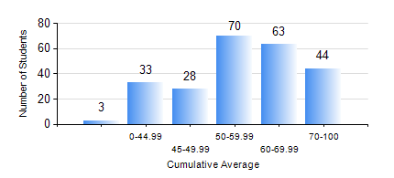
 |  |  | KWAME NKRUMAH UNIVERSITY OF SCIENCE AND TECHNOLOGY, KUMASI Department of Mechanical Engineering

 |  |  | BSC. MECHANICAL ENG.

 |  |  | COMPREHENSIVE RECORD OF EXAMINATION RESULTS

 |  |  | RESULTS OF YEAR 2 SECOND SEMESTER, 2024/2025 ACADEMIC YEAR

 | Sn | Course Code |  | Course Name | Credit Hours | Min. Mark | Max. Mark | Avg. Mark | Std. Dev. | No. Passed | No. Trailed | No. (Df) | No. (I) | No. (I*) | No. Tagged(I,I*,Df) | Total
 | 0. |  |  |  |  |  |  | 0 | 0 | 0 | 0 | 0 | 0 | 0 | 0 | 8
 | 1. | MATH 252 |  | CALCULUS WITH SEVERAL VARIABLES | 4 | 20 | 93 | 53 | 18.15 | 189 | 43 | 0 | 1 | 0 | 1 | 233
 | 2. | ME 252 |  | FLUID DYNAMICS I | 3 | 15 | 94 | 50 | 18.35 | 191 | 38 | 0 | 4 | 0 | 4 | 233
 | 3. | ME 264 |  | MECHANISMS SYNTHESIS AND ANALYSIS I | 3 | 9 | 99 | 59 | 17.54 | 212 | 17 | 0 | 4 | 0 | 4 | 233
 | 4. | ME 266 |  | THERMODYNAMICS I | 2 | 14 | 96 | 68 | 19.19 | 214 | 17 | 0 | 2 | 0 | 2 | 233
 | 5. | ME 274 |  | MACHINE DESIGN PROJECT | 2 | 34 | 78 | 58 | 7.92 | 232 | 1 | 0 | 0 | 0 | 0 | 233
 | 6. | ME 292 |  | INDUSTRIAL ENGINEERING AND ERGONOMICS | 2 | 20 | 80 | 57 | 10.5 | 225 | 7 | 0 | 1 | 0 | 1 | 233
 | 7. | ME 296 |  | MECHANICAL ENGINEERING LAB. II | 1 | 65 | 76 | 73 | 2.3 | 232 | 0 | 1 | 0 | 0 | 1 | 233

